4E
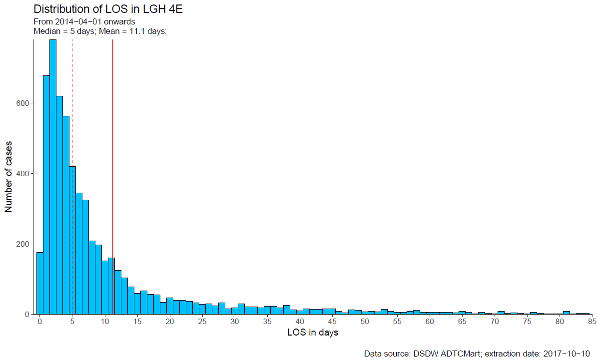
los.4e | Freq
0 | 175
1 | 678
2 | 780
3 | 619
4 | 563
5 | 419
6 | 345
7 | 324
8 | 209
9 | 197
10 | 151
11 | 160
12 | 124
13 | 104
14 | 78
15 | 59
16 | 66
17 | 57
18 | 55
19 | 34
20 | 47
21 | 40
22 | 40
23 | 37
24 | 32
25 | 28
26 | 30
27 | 24
28 | 32
29 | 16
30 | 18
31 | 29
32 | 21
33 | 21
34 | 19
35 | 23
36 | 23
37 | 18
38 | 25
39 | 13
40 | 10
41 | 15
42 | 14
43 | 14
44 | 16
45 | 15
46 | 9
47 | 4
48 | 12
49 | 11
50 | 7
51 | 9
52 | 7
53 | 14
54 | 8
55 | 6
56 | 6
57 | 9
58 | 11
59 | 5
60 | 6
61 | 5
62 | 6
63 | 6
64 | 4
65 | 8
66 | 5
67 | 2
68 | 5
69 | 3
70 | 2
71 | 9
72 | 3
73 | 4
74 | 3
75 | 1
76 | 5
77 | 3
78 | 1
79 | 2
80 | 2
81 | 8
82 | 1
83 | 3
84 | 3
85 | 3
86 | 2
87 | 2
88 | 1
89 | 2
90 | 1
91 | 2
92 | 4
93 | 3
94 | 1
95 | 2
96 | 2
97 | 5
98 | 3
99 | 1
100 | 1
104 | 2
105 | 2
106 | 1
107 | 2
110 | 2
111 | 3
114 | 2
115 | 1
116 | 3
117 | 1
119 | 1
121 | 1
122 | 4
124 | 1
125 | 1
126 | 1
129 | 1
133 | 1
138 | 1
139 | 2
142 | 1
144 | 2
146 | 1
155 | 1
161 | 1
227 | 1
241 | 1

4W
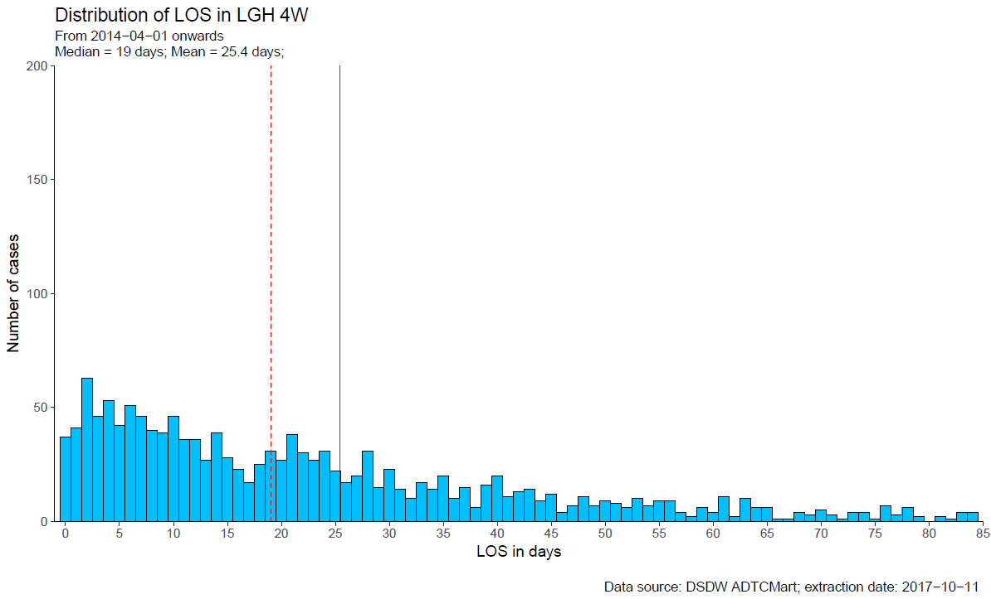
los.4w | Freq
0 | 37
1 | 41
2 | 63
3 | 46
4 | 53
5 | 42
6 | 51
7 | 46
8 | 40
9 | 39
10 | 46
11 | 36
12 | 36
13 | 27
14 | 39
15 | 28
16 | 23
17 | 17
18 | 25
19 | 31
20 | 27
21 | 38
22 | 30
23 | 27
24 | 31
25 | 22
26 | 17
27 | 20
28 | 31
29 | 15
30 | 23
31 | 14
32 | 10
33 | 17
34 | 14
35 | 20
36 | 10
37 | 15
38 | 6
39 | 16
40 | 20
41 | 11
42 | 13
43 | 14
44 | 9
45 | 12
46 | 4
47 | 7
48 | 11
49 | 7
50 | 9
51 | 8
52 | 6
53 | 10
54 | 7
55 | 9
56 | 9
57 | 4
58 | 2
59 | 6
60 | 4
61 | 11
62 | 2
63 | 10
64 | 6
65 | 6
66 | 1
67 | 1
68 | 4
69 | 3
70 | 5
71 | 3
72 | 1
73 | 4
74 | 4
75 | 1
76 | 7
77 | 3
78 | 6
79 | 2
81 | 2
82 | 1
83 | 4
84 | 4
85 | 2
86 | 3
87 | 1
88 | 4
90 | 1
91 | 5
92 | 1
94 | 2
95 | 1
96 | 1
97 | 1
98 | 2
99 | 3
100 | 1
103 | 2
105 | 2
106 | 1
108 | 3
109 | 2
110 | 1
112 | 1
114 | 1
116 | 1
117 | 1
119 | 1
122 | 1
124 | 1
129 | 1
133 | 1
138 | 1
160 | 1
226 | 1

6E
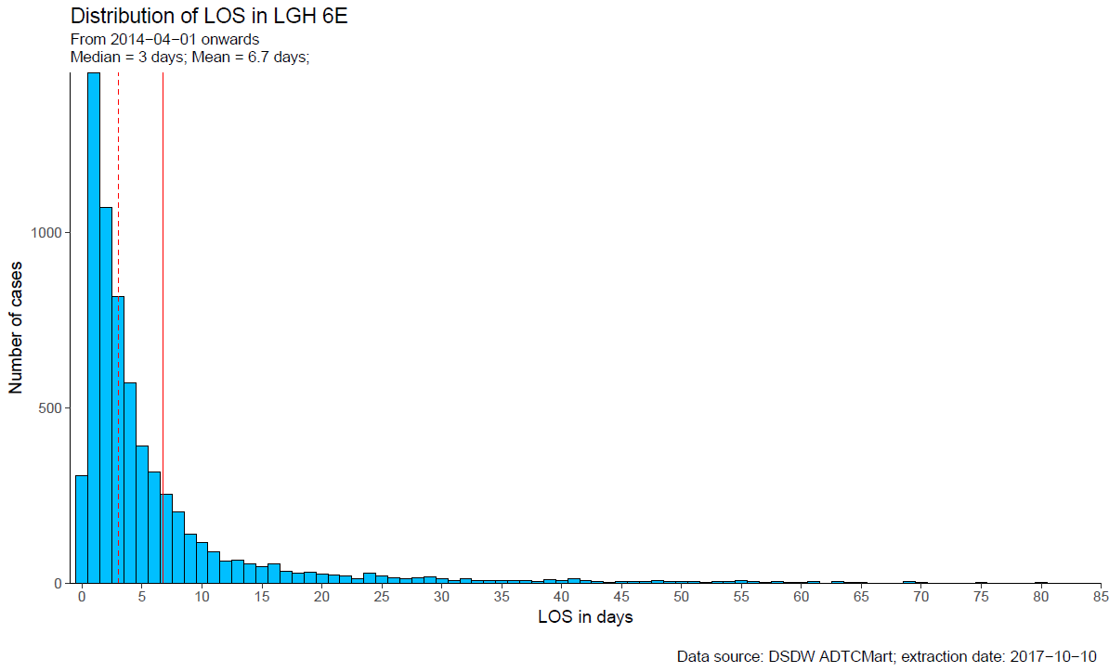
los.6e | Freq
-1 | 1
0 | 308
1 | 1457
2 | 1071
3 | 817
4 | 573
5 | 393
6 | 317
7 | 255
8 | 204
9 | 140
10 | 116
11 | 91
12 | 63
13 | 67
14 | 56
15 | 47
16 | 56
17 | 34
18 | 30
19 | 33
20 | 26
21 | 24
22 | 22
23 | 13
24 | 29
25 | 21
26 | 15
27 | 14
28 | 16
29 | 19
30 | 12
31 | 9
32 | 13
33 | 8
34 | 8
35 | 7
36 | 9
37 | 8
38 | 5
39 | 11
40 | 7
41 | 13
42 | 7
43 | 6
44 | 3
45 | 6
46 | 6
47 | 5
48 | 8
49 | 5
50 | 4
51 | 5
52 | 2
53 | 5
54 | 5
55 | 7
56 | 4
57 | 3
58 | 4
59 | 3
60 | 2
61 | 6
62 | 1
63 | 4
64 | 2
65 | 3
67 | 1
68 | 1
69 | 4
70 | 2
71 | 1
73 | 1
74 | 1
75 | 2
77 | 1
78 | 1
79 | 1
80 | 2
81 | 1
83 | 1
85 | 3
87 | 1
89 | 3
91 | 2
94 | 2
96 | 1
98 | 4
99 | 3
103 | 1
104 | 2
108 | 2
111 | 1
117 | 1
122 | 2
125 | 1
126 | 2
127 | 1
145 | 1
147 | 2
155 | 2
162 | 1

6W
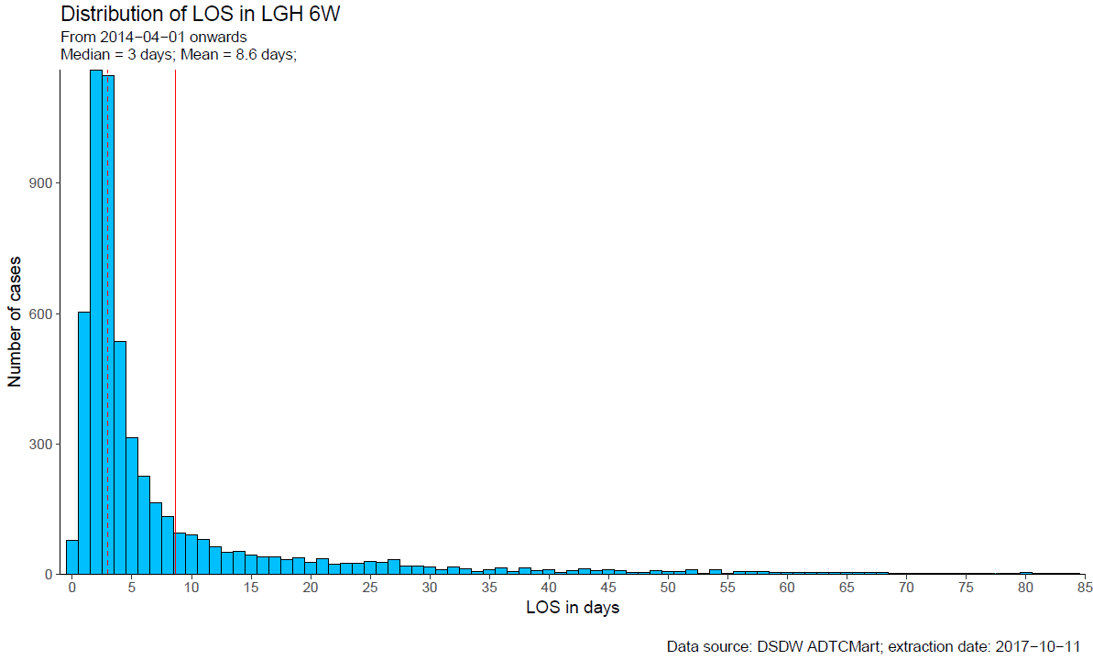
los.6w | Freq
0 | 78
1 | 604
2 | 1161
3 | 1147
4 | 535
5 | 314
6 | 226
7 | 165
8 | 133
9 | 94
10 | 91
11 | 80
12 | 64
13 | 50
14 | 53
15 | 45
16 | 41
17 | 39
18 | 33
19 | 38
20 | 28
21 | 35
22 | 24
23 | 25
24 | 25
25 | 30
26 | 27
27 | 33
28 | 19
29 | 18
30 | 16
31 | 11
32 | 17
33 | 13
34 | 7
35 | 10
36 | 15
37 | 6
38 | 15
39 | 8
40 | 11
41 | 5
42 | 8
43 | 13
44 | 8
45 | 11
46 | 9
47 | 5
48 | 4
49 | 8
50 | 6
51 | 6
52 | 10
53 | 1
54 | 10
55 | 2
56 | 6
57 | 7
58 | 6
59 | 5
60 | 5
61 | 4
62 | 5
63 | 4
64 | 5
65 | 4
66 | 4
67 | 4
68 | 4
69 | 3
70 | 3
71 | 1
72 | 2
73 | 1
74 | 2
75 | 3
76 | 3
77 | 3
78 | 1
79 | 3
80 | 4
81 | 2
82 | 1
83 | 1
84 | 1
85 | 1
86 | 2
87 | 2
88 | 3
89 | 2
90 | 2
91 | 3
92 | 1
94 | 2
97 | 1
99 | 1
100 | 3
104 | 1
105 | 1
107 | 2
111 | 1
112 | 1
113 | 1
119 | 1
120 | 1
121 | 1
123 | 1
124 | 1
129 | 1
132 | 1
140 | 1
142 | 1
145 | 1
151 | 1
159 | 1

